Sheet1
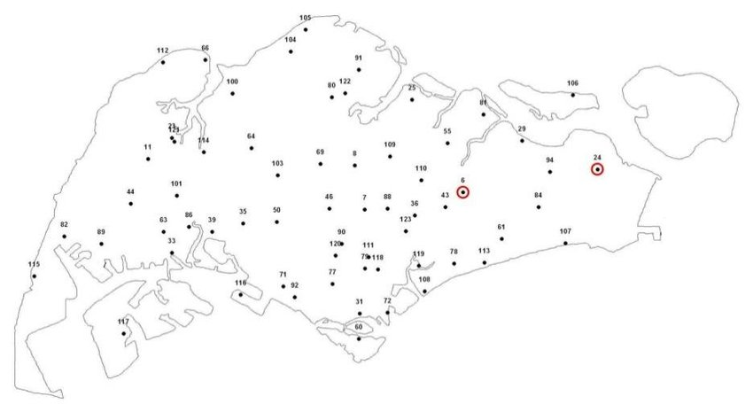
S/N | Stn No | Stn Name | Lat | Long | Location | Elevation (m) | Mast height (m) | Data Start date | Remarks
1 | S06 | Paya Lebar Met. Stn | 1°21.428' | 103°54.224' | Temp at Roof top. Wind at ground | 16 | 10
2 | S07 | Macritchie Reservoir | 1°20.508' | 103°50.034' | ground | 25
3 | S08 | Lower Peirce Reservoir | 1°22.202' | 103°49.624' | ground | 9 |  | Jan 2010
4 | S11 | Choa Chu Kang Cemetery Office | 1°22.455' | 103°41.624' | ground | 22
5 | S23 | Tengah Met. Stn | 1°22.455' | 103°41.624' | ground | 17 | 10
6 | S24 | Changi Met. Stn | 1°23.1' | 103°42.7' | ground | 15 | 10
7 | S25 | Seletar Met. Stn | 1°25.0' | 103°51.9' | ground | 17 | 10 |  | Temp at Roof top from 14/11/2011 to 2/9/2018
8 | S29 | Pasir Ris Home Team Chalets | 1°23.190' | 103°56.480' | ground | 10
9 | S31 | CHIJ(Kellock) Pri Sch | 1°16.459' | 103°49.690' | roof top | 35 |  |  | Closed on Nov 2016
10 | S33 | Jurong Pier | 1°18.491' | 103°42.592' | ground | 6
11 | S35 | Ulu Pandan Sewage Treatment Work | 1°19.948' | 103°45.299' | ground | 13
12 | S36 | Woodleigh Filters | 1°20.259' | 103°51.969' | ground | 9
13 | S39 | Jurong Industrial Waterworks | 1°19.510' | 103°44.205' | ground | 10 |  |  | Closed on Oct 2014
14 | S40 | Mandai Lake Road | 1°24.266' | 103°47.377' | roof top | 38 |  |  | No data from Jan 2011 to Jan 2013
15 | S43 | Upper Air Observatory | 1°20.437' | 103°53.290' | roof top | 36 | 5
16 | S44 | Nanyang Technological University | 1°20.714' | 103°41.000' | roof top | 30 | 2 |  | No data from 25/6/2014 to 27/1/2015
17 | S46 | Singapore Golf Club | 1°20.493' | 103°48.647' | ground | 34
18 | S47 | Yio Chu Kang Road | 1°23.6' | 103°51.6' | ground | 23 |  |  | Closed on Jan 2011
19 | S50 | Ngee Ann Polytechnic | 1°19.907' | 103°46.567' | roof top | 69 | 2
20 | S51 | Kranji Turf Club | 1°25.5' | 103°45.7' | ground | 5 |  |  | Closed on Jan 2011
21 | S55 | Woodbridge Hospital | 1°23.015' | 103°53.162' | ground | 29 |  |  | Closed on Mar 2019
22 | S56 | Sungei Gedong Road | 1°25.2' | 103°41.8' | roof top | 20 |  |  | Closed on Apr 2010
23 | S60 | Sentosa | 1°15.024' | 103°49.652' | roof top | 37 | 5 |  | No data on Dec 2016.
24 | S61 | Ping Yi Sec Sch | 1°19.626' | 103°55.239' | roof top | 24
25 | S63 | International Road P.S | 1°19.648' | 103°42.250' | ground | 11 |  |  | Closed on Jan 2018
26 | S64 | Bukit Panjang Telecom | 1°22.937' | 103°45.640' | roof top | 32
27 | S66 | Kranji Reservoir | 1°26.320' | 103°44.161' | ground | 9
28 | S69 | Upp Peirce Reservoir | 1°22.221' | 103°48.278' | ground | 45 |  | Jan 2010
29 | S71 | CRISP, Kent Ridge Road | 1°17.538' | 103°46.890' | ground | 72
30 | S72 | Prince Edward Rd | 1°16.433' | 103°50.894' | roof top | 29 |  |  | Closed on Dec 2015
31 | S76 | Senoko Incinerator | 1°27.7' | 103°47.6' | ground | 15 |  |  | Closed on Nov 2009
32 | S77 | Queenstown Sec Sch | 1°17.616' | 103°48.761' | roof top | 24
33 | S78 | Poole Road Pumping Station | 1°18.422' | 103°53.440' | ground | 6
34 | S79 | Triple One Building | 1°18.024' | 103°50.232' | roof top | 67
35 | S80 | Sembawang Met. Stn | 1°25.5' | 103°49.2' | ground | 26 | 10
36 | S81 | Punggol Sec Sch | 1°24.171' | 103°54.569' | roof top | 25
37 | S82 | Tuas Incinerator | 1°19.488' | 103°38.112' | ground | 45 |  |  | No data from Nov 2015-Nov 2016
38 | S84 | Simei Ave | 1°20.657' | 103°56.643' | ground | 19 |  | Jul 2009
39 | S85 | Jurong Island Fire Station | 1°16.3' | 103°42.5' | ground | 7 |  |  | Closed on Jan 2012
40 | S86 | JTC, Chia Ping Rd | 1°19.612' | 103°43.228' | roof top | 42 | 10 | Dec 2009 | Closed on Jan 2016
41 | S88 | Beatty Sec Sch | 1°20.503' | 103°51.090' | roof top | 29 |  | May 2010 | Closed on Feb 2016
42 | S89 | Tuas Fire Station | 1°19.191' | 103°39.679' | roof top | 25
43 | S90 | CCAB Bukit Timah Road | 1°19.146' | 103°49.157' | roof top | 21
44 | S91 | Yishun Ave 5 | 1°25.796' | 103°49.837' | roof top | 43
45 | S92 | NACLI, South Buona Vista | 1°17.045' | 103°47.325' | ground | 38
46 | S94 | Coral Sec Sch | 1°22.076' | 103°56.939' | roof top | 23
47 | S100 | Sungei Kadut, COSEM | 1°25.032' | 103°44.913' | roof top | 19 |  | Jan 2010
48 | S101 | Jurong Junior College | 1°21.032' | 103°42.804' | roof top | 18 |  | Jan 2010 | Closed on Jan 2019
49 | S102 | Semakau Landfill | 1°11.410' | 103°45.943' | ground | 6 | 10 | Jan 2010 | Rad started in 14/1/2011. Net Rad & Temp was downed since 23/11/2017. Wind down since Sep 2018
50 | S104 | Republic Polytechnic | 1°26.632' | 103°47.123' | roof top | 27 | 5 | Jan 2010
51 | S105 | Northwest Regional Office, NEA | 1°27.490' | 103°47.715' | roof top | 28 |  | Jan 2010 | No data from Oct 2016 to Mar 2018
52 | S106 | Pulau Ubin | 1°25.008' | 103°58.038' | ground | 27 | 10 | Jan 2010 | No data from 31/10/2013 to 5/3/2014
53 | S107 | National Sailing Centre | 1°18.799' | 103°57.719' | ground | 9 | 2 | Jan 2010
54 | S108 | Marina Barrage | 1°16.795' | 103°52.218' | ground | 15 | 5 | Aug 2010
55 | S109 | Nanyang Polytechnic | 1°22.756' | 103°51.001' | roof top | 53 | 2 | Jan 2010
56 | S110 | Peicai Sec Sch | 1°21.919' | 103°52.246' | ground | 57 |  | Jan 2010 | Closed on May 2017
57 | S111 | Environment Building | 1°18.633' | 103°50.190' | roof top | 115 | 5 | Jan 2010 | No data from 12/8/2016 to 30/11/2016 & Jul 2017
58 | S112 | Sarimbun (Scouts Campsite) | 1°26.328' | 103°42.104' | ground | 6 |  | Jan 2010
59 | S113 | CHIJ(Katong) Pri Sch | 1°18.301' | 103°54.673' | roof top | 25 |  | Jan 2010 | No data from Nov 2013 to Feb 2014
60 | S114 | Bukit Pangjang Govt High School | 1°22.925' | 103°44.286' | roof top | 25 |  | Jan 2010
61 | S115 | Tuas Marine Transfer Stn | 1°17.304' | 103°38.274' | ground | 6 | 10 | Apr 2011
62 | S116 | Pasir Panjang Terminal | 1°16.941' | 103°45.270' | roof top | 26 | 2 | Mar 2010
63 | S117 | Banyan Fire Stn | 1°15.36' | 103°40.74' | roof top | 22 | 2 | Sep 2011
64 | S118 | Handy Rd | 1°17.964' | 103°50.764' | ground | 31 |  | Oct 2010
65 | S119 | Marina Pumping Station | 1°17.702' | 103°51.731' | ground | 26 |  | Oct 2010
66 | S120 | Botanic Garden | 1°18.523' | 103°49.081' | roof top | 39 |  | Oct 2010
67 | S121 | Home Team Academy | 1°23.148' | 103°42.684' | roof top | 38 | 5 | Apr 2011
68 | S122 | AVA, Bah Soon Pah Rd | 1°25.035' | 103°49.508' | ground | 26 | 10 | Nov 2010 | Rad sensors are faulty since 11/12/2017. Pressure sensor is faulty since 1/1/2018
69 | S123 | Hong Wen Sch | 1°19.285' | 103°51.459' | roof top | 31 |  | Oct 2011

 | Stn Closed
 | Stn with Wind & Temp (S44,50,104,111-No pressure sensor)

